DASHBOARD
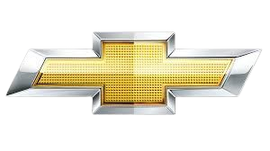
CAR SALES DASHBOARD REPORT
AVERAGE SELLING PRICE
TOTAL REVENUE
TOTAL MODEL AND MANUFACTURES
TOP SALES MANUFACTURES
129
$95.045|Sales In Thousands
$6.787.115 |Sales In Thousands

 | Total
Windstar | 155787
Taurus | 245815
Ram Pickup | 227061
F-Series | 540561
Explorer | 276747
Civic | 199685
Cavalier | 145519
Caravan | 181749
Camry | 247994
Accord | 230902
Average Price In Thousands
 | Total
Oldsmobile | 27829.25
Lexus | 44055
Infiniti | 29465
Dodge | 28455
Cadillac | 42565
FORD 1626315 Sales

MOST PURCHASED MODELS
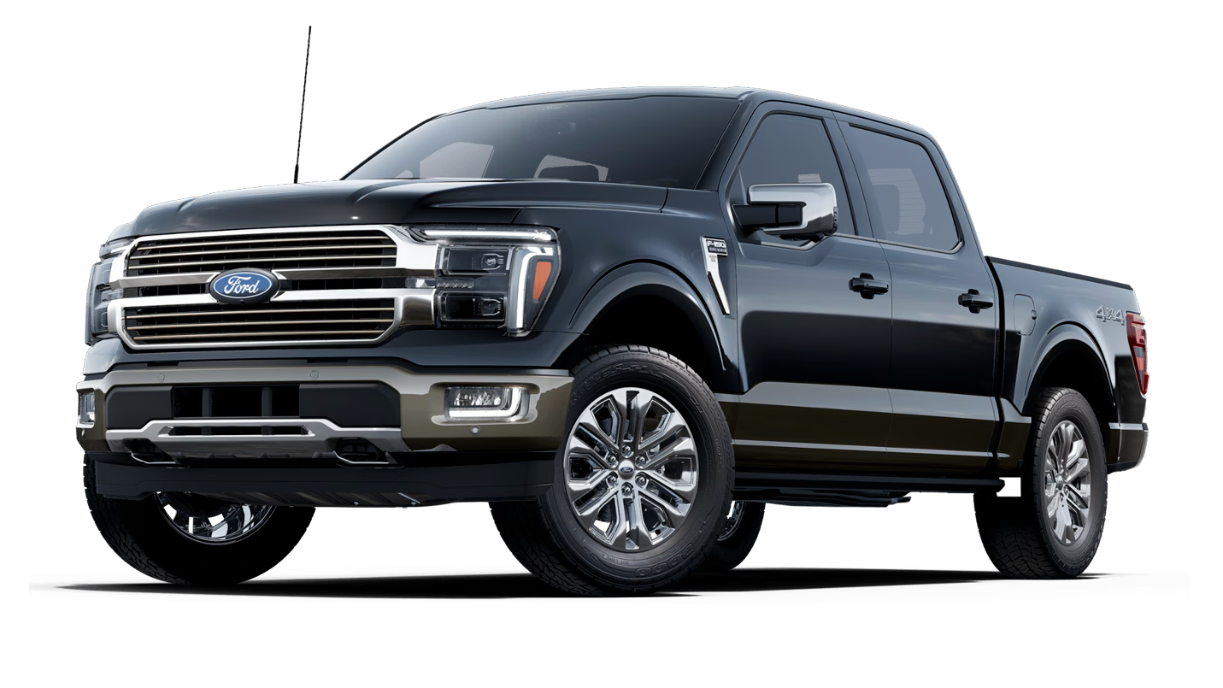

FORD F-SERIES 540561 Sales

Manufactures
 | Total
Chevrolet | 554365
Dodge | 909233
Ford | 1626315
Honda | 592674
Toyota | 675086
Quantity Model by Horsepower
 | Total
A8 | 310
Carrera Cabrio | 300
Carrera Coupe | 300
Corvette | 345
GS400 | 300
Navigator | 300
SL-Class | 302
Viper | 450

